1
 |  |  | € | total | - | 35-38 | 38-42 | 42-45 | 41-46 | 6 (XXS) | 8 (XS) | 10 (S) | 12 (M) | 14 (L) | 16 (XL) | XS | S | M | L | XL
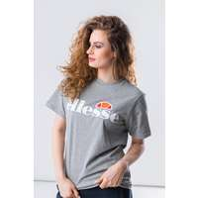 | SGS03237 Grey Marl | Ellesse ALBANY GREY MARL | 16.19 | 207 |  |  |  |  |  | 3 | 12 | 37 | 50 | 55 | 50
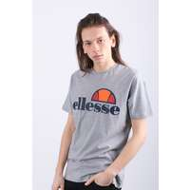 | SHS01147 Grey Marl | Ellesse Prado Tee SHS01147 Grey Marl | 16.43 | 116 |  |  |  |  |  |  |  |  |  |  |  | 15 | 19 | 31 | 34 | 17
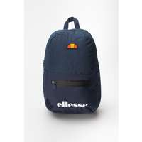 | SHAU0277 | Ellesse Pietro Bacpack | 23.1 | 104 | 104
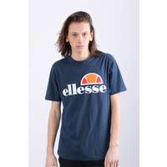 | SHS01147 Navy | Ellesse PRADO NAVY | 16.67 | 70 |  |  |  |  |  |  |  |  |  |  |  | 1 | 19 | 19 | 21 | 10
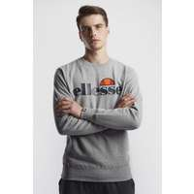 | SHC07930 | Ellesse SL SUCCISO SWEATSHIRT GREY MARL | 25.95 | 58 |  |  |  |  |  |  |  |  |  |  |  |  | 8 | 20 | 20 | 10
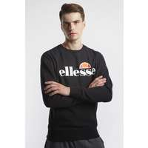 | SHC07930 | Ellesse SL SUCCISO SWEATSHIRT BLACK | 26.67 | 57 |  |  |  |  |  |  |  |  |  |  |  |  | 7 | 20 | 20 | 10
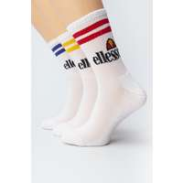 | SAAC1208 | Ellesse PULLO 3PK SOCKS 208 WHITE | 11.67 | 57 |  | 9 | 19 | 29
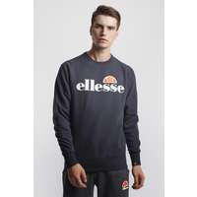 | SHC07930 | Ellesse SL SUCCISO SWEATSHIRT NAVY | 26.67 | 55 |  |  |  |  |  |  |  |  |  |  |  |  | 7 | 19 | 19 | 10
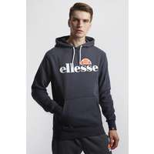 | SHC07407 | Ellesse SL GOTTERO OH HOODY NAVY | 28.05 | 53 |  |  |  |  |  |  |  |  |  |  |  |  | 7 | 18 | 19 | 9
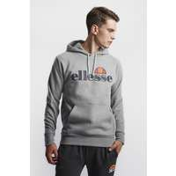 | SHC07407 | Ellesse SL GOTTERO OH HOODY GREY MARL | 28.1 | 52 |  |  |  |  |  |  |  |  |  |  |  |  | 8 | 16 | 19 | 9
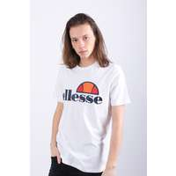 | SHS01147 | Ellesse PRADO TEE SHIRT SHS01147 WHITE | 16.57 | 44 |  |  |  |  |  |  |  |  |  |  |  | 7 | 5 | 11 | 16 | 5
 | SHC07407 | Ellesse SL GOTTERO OH HOODY BLACK | 29.05 | 44 |  |  |  |  |  |  |  |  |  |  |  |  | 5 | 14 | 16 | 9
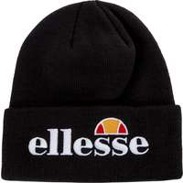 | SAAY0657 | Ellesse VELLY BEANIE BLACK | 13.81 | 36 | 36
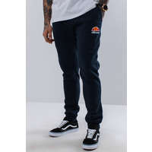 | SHS01763 | Ellesse OVEST NAVY | 25 | 34 |  |  |  |  |  |  |  |  |  |  |  | 1 | 9 | 13 | 7 | 4
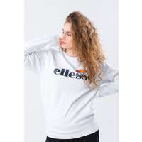 | SGS03238 White | Ellesse AGATA WHITE | 27.86 | 34 |  |  |  |  |  | 3 | 11 | 16 | 4
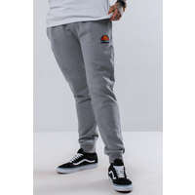 | SHS01763 | Ellesse OVEST GREY MARL | 24.52 | 33 |  |  |  |  |  |  |  |  |  |  |  | 4 | 3 | 8 | 15 | 3
 | SHS01148 | Ellesse SUCCISO NAVY | 28.86 | 33 |  |  |  |  |  |  |  |  |  |  |  | 7 | 10 | 10 | 4 | 2
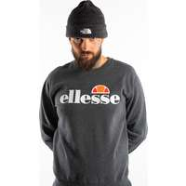 | SHC07930 | Ellesse SL SUCCISO 930 DARK GREY MARL | 25.95 | 29 |  |  |  |  |  |  |  |  |  |  |  |  | 4 | 10 | 10 | 5
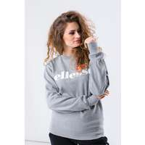 | SGS03238 | Ellesse AGATA GREY MARL | 27.62 | 27 |  |  |  |  |  | 4 | 12 | 5 | 6
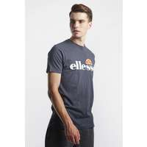 | SHC07405 | Ellesse SL PRADO TEE NAVY | 15.48 | 26 |  |  |  |  |  |  |  |  |  |  |  |  | 3 | 9 | 10 | 4
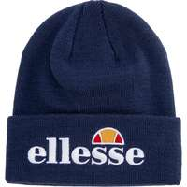 | SAAY0657 | Ellesse VELLY BEANIE NAVY | 13.81 | 25 | 25
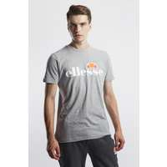 | SHC07405 | Ellesse SL PRADO TEE GREY MARL | 15.48 | 24 |  |  |  |  |  |  |  |  |  |  |  |  | 2 | 10 | 9 | 3
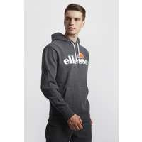 | SHC07407 | Ellesse SL GOTTERO OH HOODY DARK GREY MARL | 28.25 | 24 |  |  |  |  |  |  |  |  |  |  |  |  | 3 | 8 | 8 | 5
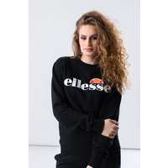 | SGS03238 | Ellesse AGATA ANTHRACITE | 27.62 | 24 |  |  |  |  |  | 1 | 14 | 7 | 2
 | SHS01148 | Ellesse SUCCISO GREY MARL | 27.86 | 24 |  |  |  |  |  |  |  |  |  |  |  | 3 | 8 |  | 6 | 7
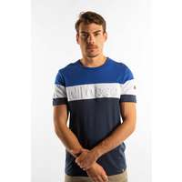 | SHC07385 | Ellesse TIMAVO TEE 385 NAVY | 17.62 | 20 |  |  |  |  |  |  |  |  |  |  |  |  | 2 | 7 | 8 | 3
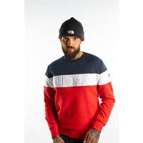 | SHC07386 | Ellesse TORRE 386 RED | 30.84 | 18 |  |  |  |  |  |  |  |  |  |  |  |  | 2 | 5 | 7 | 4
 | SHC07386 | Ellesse TORRE 386 NAVY | 30.95 | 18 |  |  |  |  |  |  |  |  |  |  |  |  | 3 | 7 | 8
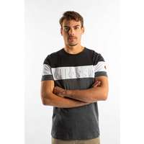 | SHC07385 | Ellesse TIMAVO TEE 385 DARK GREY MARL | 17.62 | 17 |  |  |  |  |  |  |  |  |  |  |  |  | 3 | 5 | 7 | 2
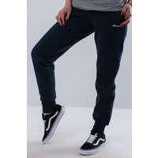 | SGS03132 | Ellesse SANATRA NAVY | 25.44 | 16 |  |  |  |  |  | 3 | 4 | 5 | 4
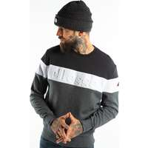 | SHC07386 | Ellesse TORRE 386 DARK GREY MARL | 30.95 | 16 |  |  |  |  |  |  |  |  |  |  |  | 3 | 10 | 3
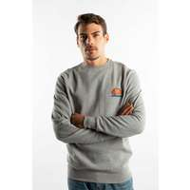 | SHS02215 | Ellesse DIVERIA 215 GREY MARL | 25.95 | 15 |  |  |  |  |  |  |  |  |  |  |  |  | 2 | 5 | 6 | 2
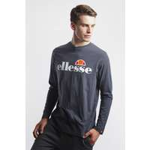 | SHC07406 | Ellesse SL GRAZIE LS T SHIRT NAVY | 22.38 | 15 |  |  |  |  |  |  |  |  |  |  |  |  | 2 | 4 | 7 | 2
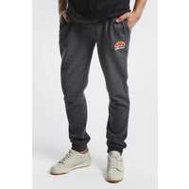 | SHS01763 | Ellesse OVEST JOG PANT DARK GREY MARL | 24.05 | 15 |  |  |  |  |  |  |  |  |  |  |  |  | 1 | 6 | 6 | 2
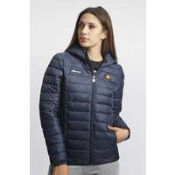 | SGS02683 Navy | Ellesse LOMPARD PADDED JACKET DRESS BLUES | 41.43 | 15 |  |  |  |  |  | 3 | 6 | 4 | 2
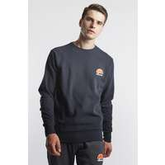 | SHS02215 | Ellesse DIVERIA SWEATSHIRT NAVY | 25.95 | 15 |  |  |  |  |  |  |  |  |  |  |  |  | 2 | 6 | 6 | 1
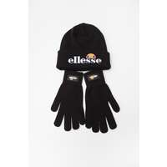 | SAAZ0783 | Ellesse VELLY BEANIE BUBB GLOVES 783 BLACK | 17.86 | 14 | 14
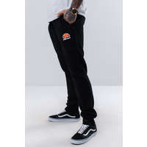 | SHS01763 | Ellesse OVEST ANTHRACITE | 25.48 | 14 |  |  |  |  |  |  |  |  |  |  |  | 1 | 2 | 4 | 5 | 2
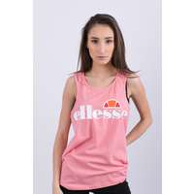 | SGS04485 SOFT PINK | Ellesse ABIGAILLE VEST SOFT PINK | 15 | 13 |  |  |  |  |  | 2 | 5 | 3 | 3
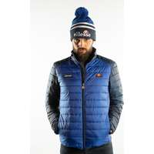 | SHC07397 | Ellesse TARTARO 397 BLUE | 41 | 13 |  |  |  |  |  |  |  |  |  |  |  |  | 2 | 5 | 5 | 1
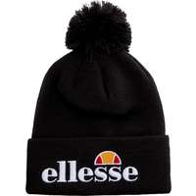 | SAAY0473 | Ellesse VELLY POM POM BEANIE BLACK | 13.57 | 13 | 13
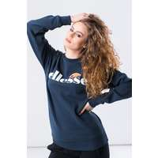 | SGS03238 | Ellesse AGATA NAVY | 27.62 | 13 |  |  |  |  |  |  | 4 | 6 | 3
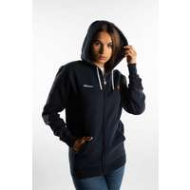 | SGS03134 | Ellesse Serinatas FZ Hoody DRESS BLUES | 32.45 | 13 |  |  |  |  |  | 2 | 5 | 4 | 2
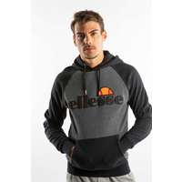 | SHC07394 | Ellesse TALIAMENTO OH HOODY 394 DARK GREY MARL | 32.56 | 13 |  |  |  |  |  |  |  |  |  |  |  |  | 1 | 5 | 5 | 2
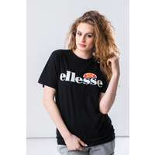 | SGS03237 Anthracite | Ellesse ALBANY ANTHRACITE | 16.67 | 13 |  |  |  |  |  | 4 | 1 | 5 | 3
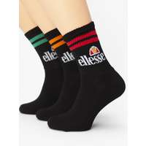 | SAAC1208 | Ellesse PULLO 3PK SOCKS 208 BLACK | 11.67 | 13 |  |  | 4 | 9
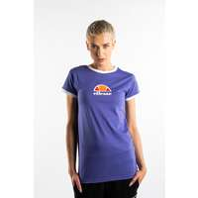 | SGC07380 | Ellesse ORLANDA TEE 380 PURPLE | 17.14 | 12 |  |  |  |  |  | 2 | 4 | 4 | 2
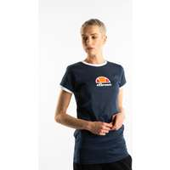 | SGC07380 | Ellesse ORLANDA TEE 380 NAVY | 17.14 | 12 |  |  |  |  |  | 2 | 4 | 4 | 2
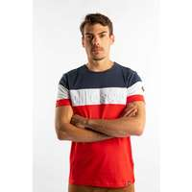 | SHC07385 | Ellesse TIMAVO TEE 385 RED | 18.33 | 12 |  |  |  |  |  |  |  |  |  |  |  |  |  | 5 | 5 | 2
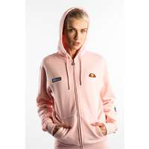 | SGS03134 | Ellesse SERINATAS FZ HOODY 134 LIGHT PINK | 30.71 | 12 |  |  |  |  |  | 2 | 4 | 4 | 2
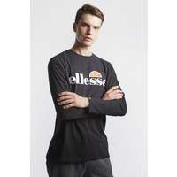 | SHC07406 | Ellesse SL GRAZIE LS T SHIRT BLACK | 22.38 | 11 |  |  |  |  |  |  |  |  |  |  |  |  | 2 | 4 | 3 | 2
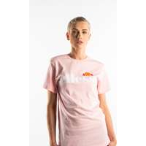 | SGS03237 | Ellesse ALBANY TEE 237 LIGHT PINK | 15.48 | 11 |  |  |  |  |  | 1 | 4 | 4 | 2
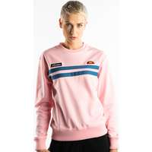 | SGC07367 | Ellesse TARIA 367 LIGHT PINK | 28.1 | 11 |  |  |  |  |  | 2 | 4 | 4 | 1
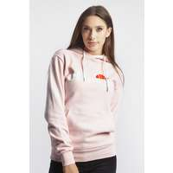 | SGS03244 | Ellesse TORICES OH HOODY LIGHT PINK | 28.1 | 11 |  |  |  |  |  | 1 | 4 | 4 | 2
 | SGS03132 | Ellesse SANATRA GREY MARL | 25.48 | 11 |  |  |  |  |  |  | 3 | 2 | 4 | 1 | 1
 | SGS03244 | Ellesse TORICES OH HOODY DARK GREY MARL | 28.1 | 11 |  |  |  |  |  | 2 | 3 | 4 | 2
 | SAAA0849 | Ellesse RAGUSA CAP BLACK | 15.48 | 11 | 11
 | SGS04485 | Ellesse ABIGAILLE VEST DRESS BLUES | 15 | 10 |  |  |  |  |  | 2 | 3 | 4 | 1
 | SHB07261 | Ellesse ANGUILLA SWEATSHIRT NAVY | 27.14 | 10 |  |  |  |  |  |  |  |  |  |  |  |  | 2 | 3 | 3 | 2
 | SGS03244 | Ellesse TORICES OH HOODY LIGHT GREY | 28.1 | 10 |  |  |  |  |  | 2 | 3 | 4 | 1
 | SAAA0849 | Ellesse RAGUSA CAP NAVY | 15.48 | 10 | 10
 | SAAC0657 | Ellesse VELLY BEANIE PINK | 13.81 | 10 | 10
 | SGS03237 | Ellesse ALBANY TEE SGS03237 WHITE | 16.43 | 10 |  |  |  |  |  | 5 | 4 |  | 1

